1. Title Page
[Project Name]

Project Name:
Date:
Analyst Name: Samantha Fitzsimmons

Contents:
Population Flow
Consistency checks
Wrangling steps
Column derivations
Visualizations
Recommendations

2. Population Flow
 |  | Title page

Population flow

Exclusion flag
Condition: max_order < 5
Obervations to be removed: 1,440,295
Final total count of order_products_all: 30,964,564

Orders_products_combined
Orders_products_merged
Orders_products_all

Total: 32,404,859
Total:
Total:
32,434,489 | 30,964,564

1.) The grey boxes in the first row of the population flow represent the original data sets as they were when you downloaded them. In the Total fields you need to add the count of the rows when you imported the data set into Jupyter.
2.) The second row of boxes (colored) represents the data sets after you manipulated them, e.g., removed missing values and duplicates. In the Total fields you need to add the count of the rows after conducting these operations. This offers a visual oveview of how the data flows throughout the data consistency checks.
3.) The third row, where also the arrows are coloured, represents the merges you performed between the datasets. In the Total fields you need to add the count of the rows in the merged datasets, so that you end up with the final dataset (in the red box). Keep in mind the final dataset should be without exclusions (based on the exclusion flag).

3. Consistency checks
 |  |  |  | Title page
Consistency checks

Dataset | Missing values | Missing values treatment | Duplicates
orders | None | replaced with flag value | no duplicates found
products | 16 for product_name | Records removed | 5 duplicates removed
orders_products_prior | None | N/A | None
customers | 11,259 from first_name column | Not addressed | None

4. Wrangling steps
 |  |  |  | Title page
Wrangling steps

Columns dropped | Columns renamed | Columns' type changed | Comment/Reason

eval_set |  |  | Not needed
 | order_dow |  | orders_day_of_week

aisle_id |  |  | Not needed

 | STATE |  | State
 | First Name |  | first_name
 | Surname |  | last_name
 | n_dependants |  | dependents
 | fam_status |  | mar_status
first_name
last_name

5. Column derivations
 |  |  |  | Title page

Column derivations and aggregations

Dataset | New column | Column/s it was derived from | Conditions
ords_prods_merge_update_new | busiest_period_of_day | order_hour_of_day | Most orders = [10, 11, 14, 15, 13, 12, 16, 9]
 |  |  | Average orders = [17, 8, 18, 19, 20, 7, 21, 22]
 |  |  | Fewest orders = [23, 6, 0, 1, 5, 2, 4, 3]
ords_prods_merge_update_new2 | loyalty_flag | max_order | >40 or <=40 & >10 or <=10
ords_prods_merge_update_new2 | avg_spent | user_id & prices | Prices (mean) when grouped by user_id
ords_prods_merge_update_new2 | spending_flag | avg_spent | >10 or <= 10
ords_prods_merge_update_new2 | order_freq | user_id & days_since_prior_order | The median of days_since_prior_order when grouped by user_id
ords_prods_merge_update_new2 | order_freq_flag | order_freq | >20 o r >10 & <= 20 or <= 10
instacart_merged | activity_flag | max_order | >5 or <=5
instacart_merged | age_category | Age | >18 & <25 or >=25 & <40 or >=40 & <60 or >=60
instacart_merged | income_category | income | <52200 or >=52200 & <156600 or >=156600
instacart_merged | dependents_category | dependents | equals 0 or =1, 2 or >=3
instacart_merged | time_of_order | order_hour_of_day | Day = [8, 9, 10, 11, 12, 13, 14, 15, 16]
 |  |  | Evening = [17, 18, 19, 20, 21, 22, 23]
 |  |  | Overnight/Early Morning = [ 0, 1, 2, 3, 4, 5, 6, 7]
instacart_merged | price_range_loc | prices | >15 or <=15 & >5 or <=5
instacart_merged | alcohol_purchase | department | equals 'alcohol' or !='alcohol'
instacart_merged | have_baby | department | equals 'baby' or !='baby'
instacart_merged | have_pet | department | equals 'pets' or !='pets'

6. Visualizations
 |  |  |  |  |  |  | Title page

Visualisations

Key Questions

1. What are the busiest days of the week and hours of the day, (i.e., the days and times with the most orders) in order to schedule ads at times when there are fewer orders.

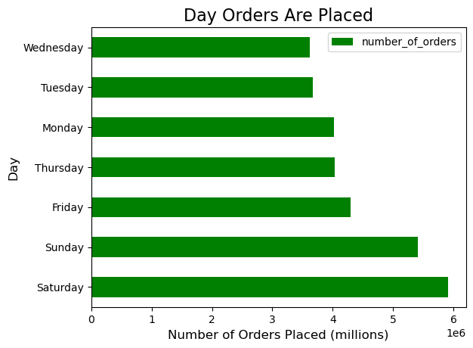

Observation: Busiest Days are Saturday and Sunday
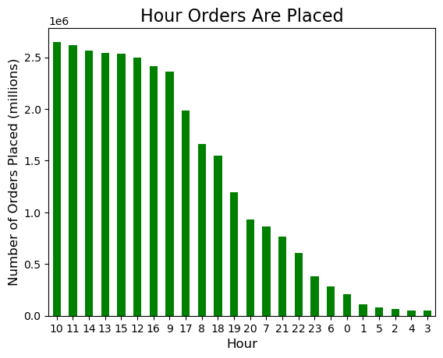

Observation: Busiest hours are 9am, 10am, 12pm, 11am, 1pm, 2pm, 3pm, 4pm

2. At what time of day do customers spend the most money?

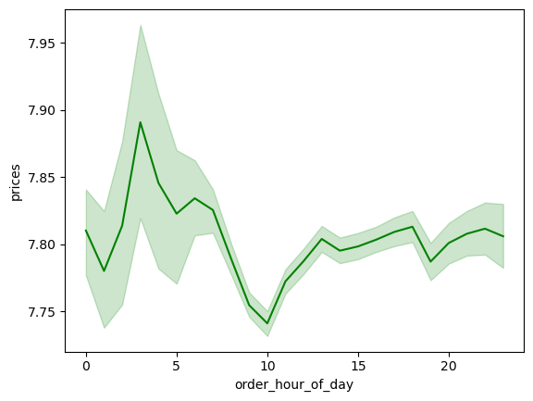

Observation: Most money spent at approximately 4am, 1pm, 6pm, 10pm. However, this should be interpreted with caution as most orders are placed during the day time (as seen in the Time of Orders bar chart.

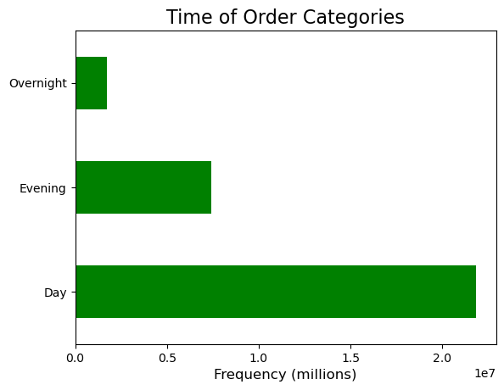

3. What are the price range groupings for Instacart products?

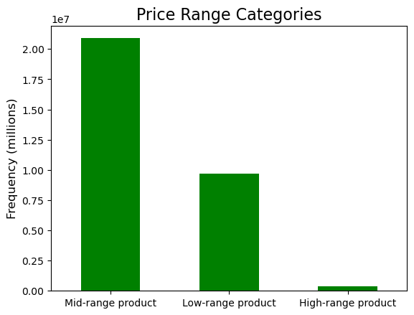

Observation: The vast majority of products fall into the mid-range product category, followed by low-range product. Very few products are in the high range product category.
Low Range: less than or equal to $5:00
Mid Range: more than $5.00 and less than or equal to $15.00
High Range: more than $15.00

4. Are certain types of products more popular than others? Which departments have the highest frequency of product orders?

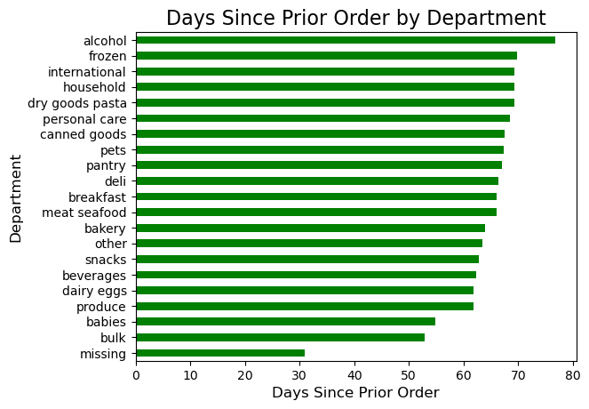

 |  |  | department |  |  | days since last order
 |  |  | missing 30.929502
 |  |  | bulk 52.844280
 |  |  | babies 54.819636
 |  |  | produce 61.803501
 |  |  | dairy eggs 61.836037
 |  |  | beverages 62.377889
 |  |  | snacks 62.785840
 |  |  | other 63.445613
 |  |  | bakery 63.898568
 |  |  | meat seafood 66.030798
 |  |  | breakfast 66.054423
 |  |  | deli 66.441758
 |  |  | pantry 66.994931
 |  |  | pets 67.351332
 |  |  | canned goods 67.553116
 |  |  | personal care 68.445865
 |  |  | dry goods pasta 69.270312
 |  |  | household 69.325189
 |  |  | international 69.329394
 |  |  | frozen 69.730274
 |  |  | alcohol 76.747827

Observation: Most frequently ordered items are bulk, babies and produce. "Missing" is also one of the most frequently ordered.

5a. What’s the distribution among users in regards to their brand loyalty (i.e., how often do they return to Instacart)?

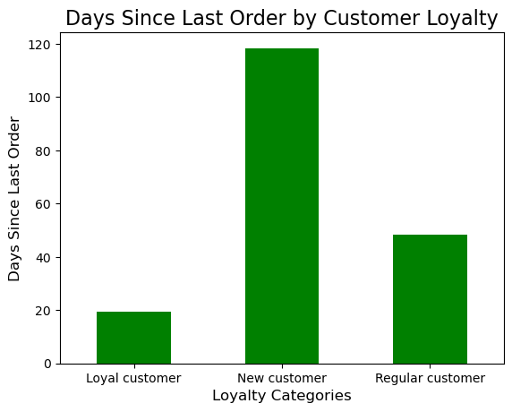

Observation: Loyal customers return to Instacart more frequently (approx every 20 days) than new customers (approx every 120 days).

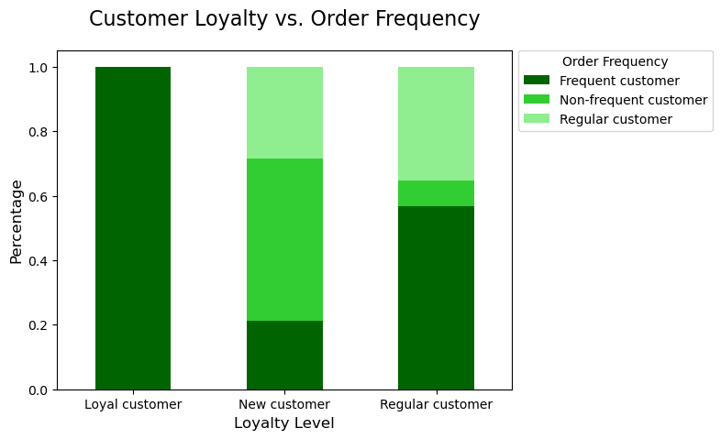
5b. What are the differences in ordering habits based on a customer’s loyalty status?
 |  |  | Frequent Customer | Non-Frequent Customer | Regular Customer
 |  | loyalty_flag
 |  | Loyal customer | 100% | 0% | 0%
 |  | New customer | 21% | 50% | 29%
 |  | Regular customer | 57% | 8% | 35%

 |  |  | * Percentages rounded to the nearest whole number.

Observation: Loyal Customers: comprised of ~99% frequent customers Regular Customers: comprised of ~57% frequent customers New Customers: comprised of ~50% non-frequent customers

5c. What are the differences in ordering habits based on a customer’s region?
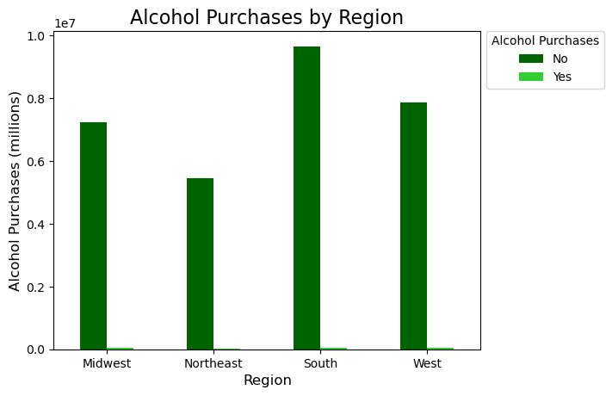

Observation: The South purchased the most alcohol, followed by the West, Midwest and the Northeast.

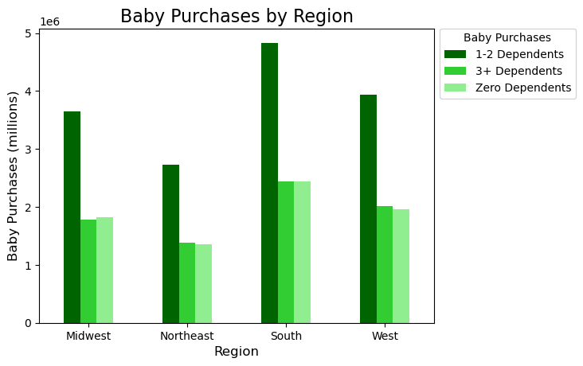

Observation: The South has the highest frequency of baby purchases by region. Families with 1-2 dependents also have the highest frequency of baby purchases.

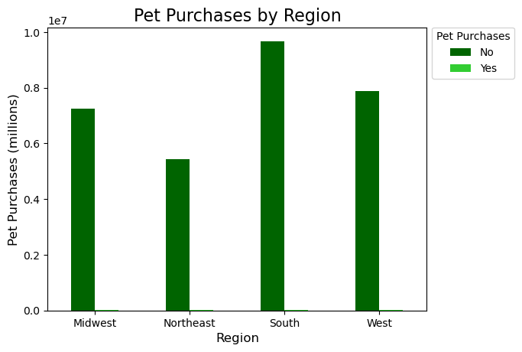

Observation: The South has the highest frequency of non-pet purchases, followed by the West, Midwest and Northeast.

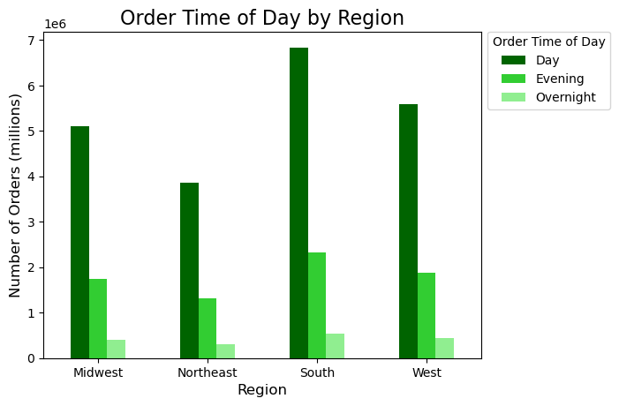

Observation: The number of daytime orders is highest across all regions. The south has the highest total number of orders.

5d. Is there a connection between age and family status in terms of ordering habits?

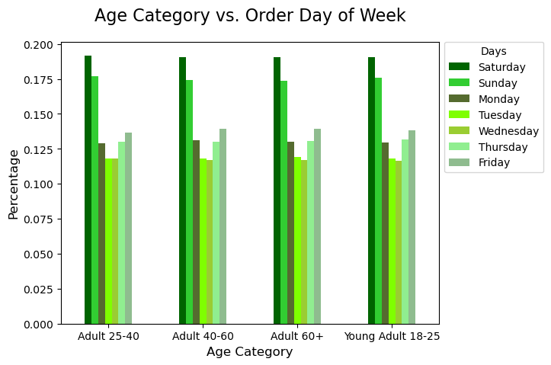

Observation: Across all age categories, Saturdays account for the highest percentage of orders (19%), with Tuesday and Wednesday as the lowest (under 12%).

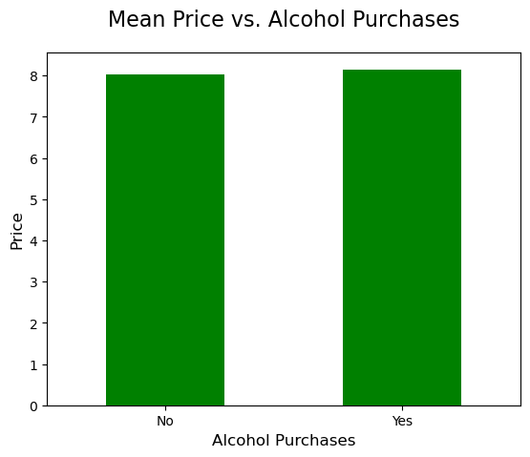
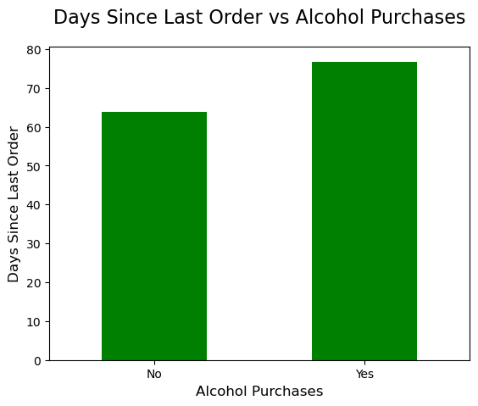

Observation: There is no significant difference in the mean price of those who do and don't purchase alcohol. Those who purchase alcohol have a higher "days_since_prior_order". However, since the difference between 'Yes' and 'No' category is only 10 days, the difference does not appear to be a significant difference

5e. What different classifications does the demographic information suggest? Age? Income? Certain types of goods? Family status?
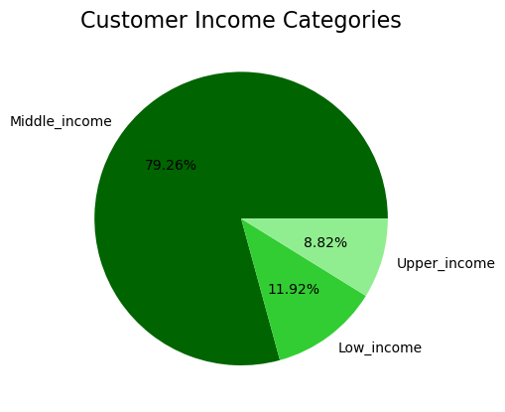
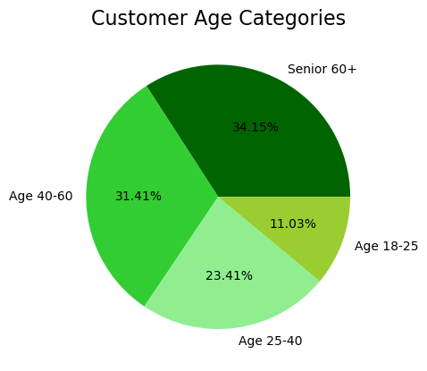

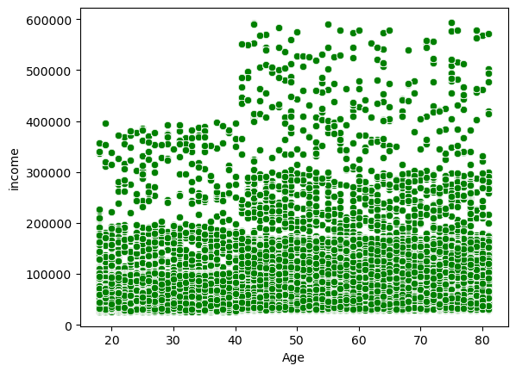

Observation: Instacart customers over age 40 are more likely to have higher incomes.

5f. What differences can you find in ordering habits of different customer profiles?

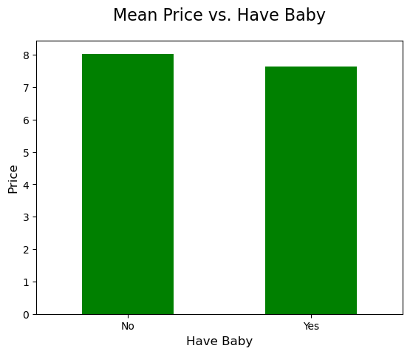
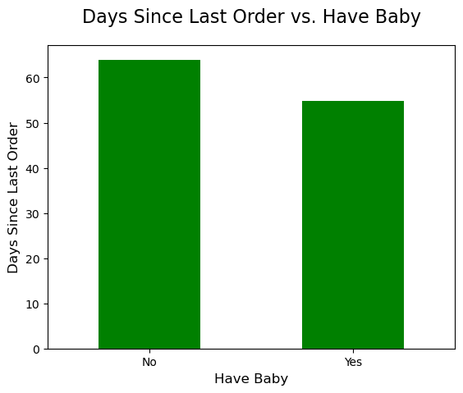

Observation: No significant difference in the mean price between those who do and do not have a baby. However, customers with babies order slightly more frequently than those without babies.

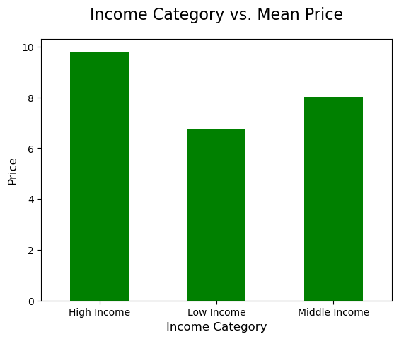
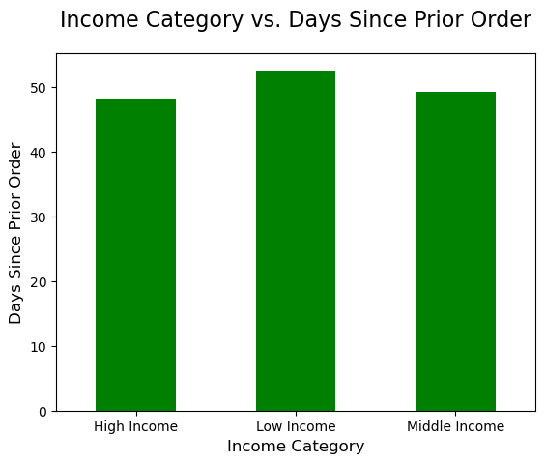

Observation: The Low Income category spends less money and orders less frequently than the Middle Income and High Income categories.

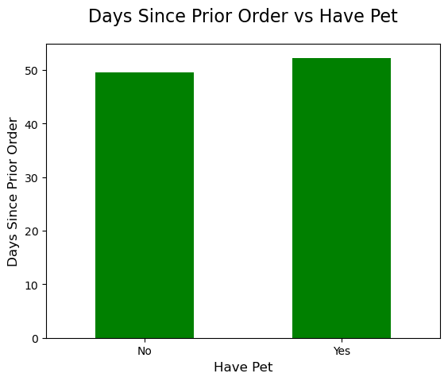

Observation: Customers without pets order slightly more than those with pets.

 | Departments Across Income Categories

 | department | High Income | Low Income | Middle Income
 | alcohol | 1% | 1% | 0%
 | babies | 1% | 1% | 1%
 | bakery | 4% | 3% | 4%
 | beverages | 8% | 11% | 8%
 | breakfast | 2% | 3% | 2%
Observations: | bulk | 0% | 0% | 0%
Low Income spends 3% more on beverages than Middle and High Income categories | canned goods | 3% | 2% | 3%
Low income spends twice as much on snacks (16%) than Middle and High Income categories, which both spend 8%. | dairy eggs | 17% | 15% | 17%
Low income spends ~5% less on produce than Middle and High Income who spend 30% and 29% respectively. | deli | 3% | 3% | 3%
For the remaining departments, there is no significant difference between income categories. | dry goods pasta | 3% | 2% | 3%
 | frozen | 7% | 6% | 7%
 | household | 2% | 3% | 2%
 | international | 1% | 1% | 1%
 | meat seafood | 2% | 1% | 2%
 | missing | 0% | 0% | 0%
 | other | 0% | 0% | 0%
 | pantry | 6% | 5% | 6%
 | personal care | 1% | 1% | 1%
 | pets | 0% | 0% | 0%
 | produce | 29% | 25% | 30%
 | snacks | 8% | 16% | 8%

7. Recommendations
 |  | Title page

Recommendations

Question
Key Question 1: | What are the busiest days of the week and hours of the day, (i.e., the days and times with the most orders) in order to schedule ads at times when there are fewer orders.

Answer | Busiest Days: Saturday and Sunday
 | Busiest Hours: 9am, 10am, 12pm, 11am, 1pm, 2pm, 3pm, 4pm

 | Recommendation: Advertise on Tuesday and Wednesday evenings to increase sales at off-peak times.

Key Question 2: | At what time of day do customers spend the most money?

Answer | Most money spent at approximately 4am, 1pm, 6pm, 10pm.

 | Recommendation: Perform additional analysis to determine if items from specific categories are being purchased around thes times.

Key Question 3: | What are the price range groupings for Instacart products?

Answer | The vast majority of products fall into the mid-range product category, followed by low-range product. Very few products are in the high range product category.
 | Low Range: less than or equal to $5:00
 | Mid Range: more than $5.00 and less than or equal to $15.00
 | High Range: more than $15.00

 | Recommendation: Increase the inventory of High Range products to offer better variety and to drive up profits.

Key Question 4: | Are certain types of products more popular than others? Which departments have the highest frequency of product orders?

Answer | Most frequently ordered items are bulk, babies and produce. "Missing" is also one of the most frequently ordered.

 | Recommendation: Advertise products from other categories with fewer purchases.
 | Also, continue advertising to those with babies and families as they are likely responsible for the bulk and baby purchases.

Key Question 5: | What’s the distribution among users in regards to their brand loyalty (i.e., how often do they return to Instacart)?

Answer | Loyal customers return to Instacart more frequently (approx every 20 days) than new customers (approx every 120 days).

 | Recommendation: Offer a rewards program to incentivize customers to purchase from the Instacart platform more frequently.

Key Question 6: | What are the differences in ordering habits based on a customer’s loyalty status?

Answer | Loyal Customers: comprised of ~99% frequent customers
 | Regular Customers: comprised of ~57% frequent customers
 | New Customers: comprised of ~50% non-frequent customers

 | Recommendation: Provide the option for customers to "subscribe" to items that they order on a regular basis and provide a slight discount.

Key Question 7: | What differences can you find in ordering habits of different customer profiles?

Answer | Low Income spends 3% more on beverages than Middle and High Income categories
 | Low income spends twice as much on snacks (16%) than Middle and High Income categories, which both spend 8%.
 | Low income spends ~5% less on produce than Middle and High Income who spend 30% and 29% respectively.
 | For the remaining departments, there is no significant difference between income categories.

 | Recommendation: Advertise produce purchases to low income customers and advertise snacks and beverages to middle and high income customers.

